1 OOP
What is OOP?
OOP stands for Object-Oriented Programming
Procedural programming is about writing procedures
or methods that perform operations on the data
while object-oriented programming is about creating objects
that contain both data and methods

Object-oriented programming has several advantages over procedural programming
OOP is faster and easier to execute
OOP provides a clear structure for the programs
OOP helps to keep the Java code DRY "Don't Repeat Yourself",
and makes the code easier to maintain, modify and debug
OOP makes it possible to create full reusable applications
with less code and shorter development time

Java Classes/Objects
Java is an object-oriented programming language.
Everything in Java is associated with classes and objects,
along with its attributes and methods.
For example: in real life, a car is an object.
The car has attributes, such as weight and color,
and methods, such as drive and brake.

Create an Object | 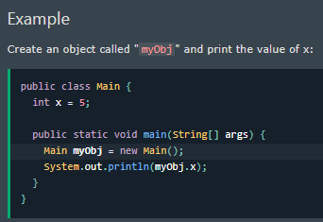
In Java, an object is created from a class.
We have already created the class named Main,
so now we can use this to create objects.

To create an object of Main, specify the class name,
followed by the object name, and use the keyword new:

Java Class Attributes | 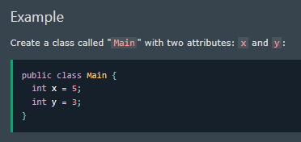
In the previous chapter, we used the term "variable" for x in the example (as shown below).
It is actually an attribute of the class.
Or you could say that class attributes are variables within a class:

Accessing Attributes | 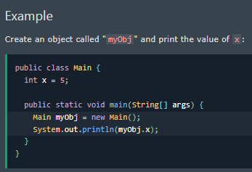
You can access attributes by creating an object of the class,
and by using the dot syntax (.):

The following example will create an object of the Main class, with the name myObj.
We use the x attribute on the object to print its value:

Modify Attributes | 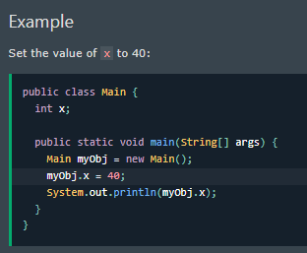
You can also modify attribute values:

Or override existing values: | 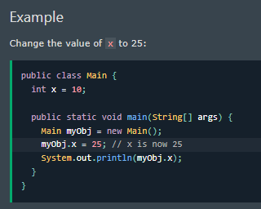

If you don't want the ability to override existing values, | 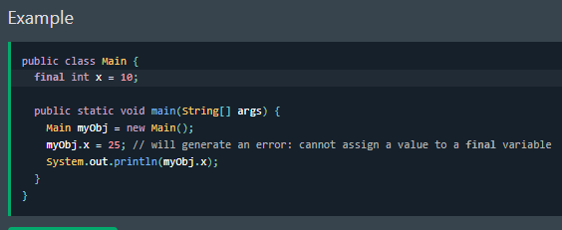
declare the attribute as final:
The final keyword is useful when you want a variable to always store the same value, like PI (3.14159...).
The final keyword is called a "modifier".

Multiple Objects | 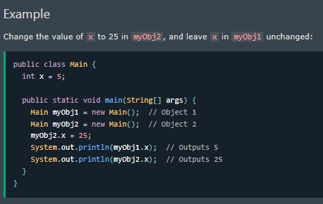
If you create multiple objects of one class,
you can change the attribute values in one object,
without affecting the attribute values in the other:

Multiple Attributes | 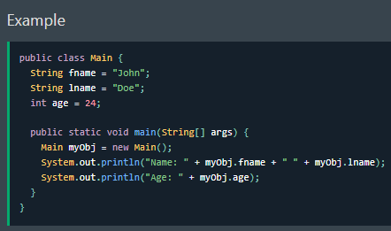
You can specify as many attributes as you want:

Static vs. Public | 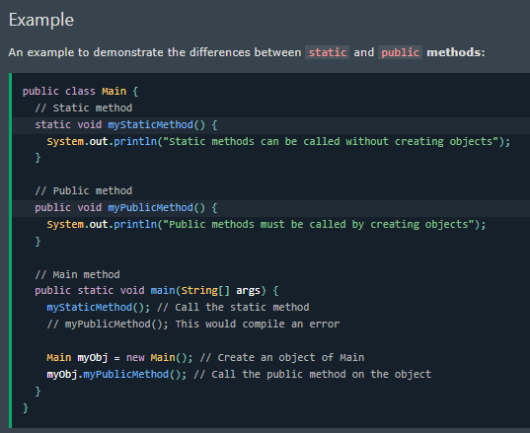
You will often see Java programs that have either static or public attributes and methods.

In the example above, we created a static method
which means that it can be accessed without creating an object of the class
unlike public, which can only be accessed by objects

Java Constructors | 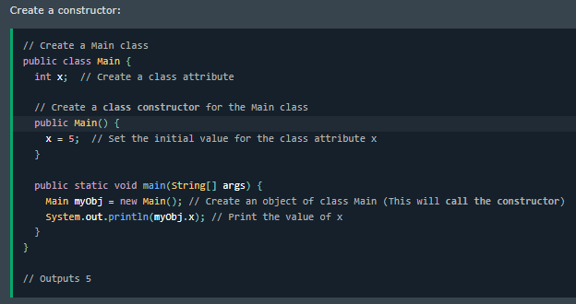
A constructor in Java is a special method that is used to initialize objects.
The constructor is called when an object of a class is created.
It can be used to set initial values for object attributes
Note that the constructor name must match the class name
and it cannot have a return type (like void).
Also note that the constructor is called when the object is created.
All classes have constructors by default
if you do not create a class constructor yourself, Java creates one for you.
However, then you are not able to set initial values for object attributes.

Constructor Parameters | 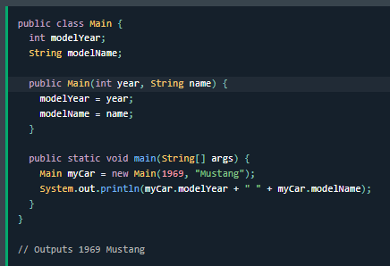
Constructors can also take parameters, which is used to initialize attributes.
The following example adds an int y parameter to the constructor.
Inside the constructor we set x to y (x=y).
When we call the constructor, we pass a parameter to the constructor (5)
which will set the value of x to 5

